1.Balance scorecard
Demirt - definitation
Demerit is the score given by external auditor during the audit finished vehicle. The demirt score is an internatinal Quality measuring parameter, which is comparitve intecater to compare the vehciles with other brand or same branded vehicle produced in other plant.

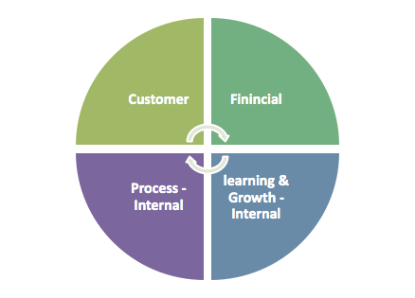
Customer |  |  |  | Financial
Objectives | Measures | Target | Initiatives | Objectives | Measures | Target | Initiatives
Improve Demert point at audit level should be less than 20 | Success : Demerit score < 20 Failure : if Demerit score > 20 | Demerit score should be < 20 to announce SOP | 1. Level- 2 auditor to audit the vehicle 2. Creat awaressnes for part handling 3. Training for part assembly as per standards | incease in cost of poor quality | Success : Conversion cost is with in budget Failure : Conversion cost is crossing the buget | Cost control and monitor with in budget to control with in 20 Demerit point | 1. Part quality report to be monitored and cost impact to be monitored 2. Supplier cost control 3. Audit the rejection area

Learning & Growth - Internal |  |  |  | Process - Internal
Objectives | Measures | Target | Initiatives | Objectives | Measures | Target | Initiatives
To have everyone on the consulting team confident in their ability to identity the defect in the part and at vehicle level to achieve targeted score | Success : Demerit score < 20 Failure : if Demerit score > 20 | part defet to be monitored by each agreegate heads | 1. PPAP of parts which contribute major demerit points to be reaudited 2. Special task team formed to take quality initiatives to train the audit team starting from part till vehcile level | Consitent development in the new processes and products both at part level and vehcile level | Success : Monthly reduction in the demerit score thought part quality development Failure : Monthly reduction trend not monitored and improvement not done on desired parts | at least 5 major task completed in each area - part, process, design, | 1. Process divided in to zones for focused monitoring 2. parts divided in to catagoreis as per demerit scores 3. Action plan alinged to achiech demerit score 4. Training given to all involved team members from all the three areas Part, Process, desing

3-Quality Testing Plan
QUALITY TESTING PLAN - TESTING METRICS
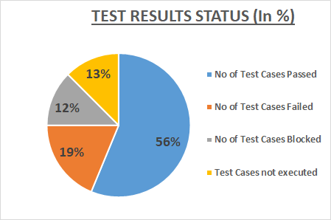
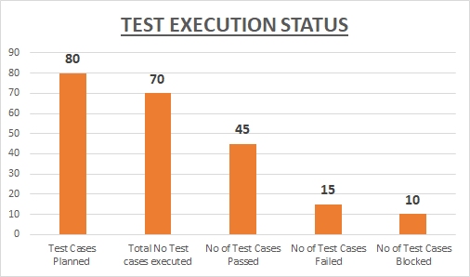
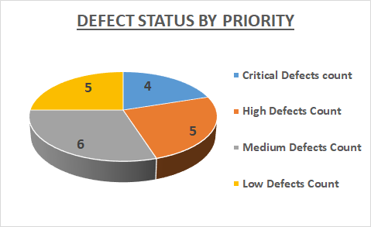
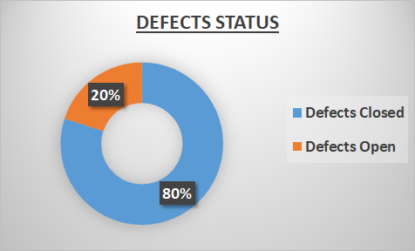
TEST EXECUTION STATUS
TEST RESULTS STATUS (In %)
S.No | Testing Metric | Data retrieved during test case development & execution
1 | Functional Requirements Gathering | 8 | Test Completion Status
2 | Avg.test cases created per requirement | 10
3 | Total no.of test cases created | 80
4 | Test Cases Planned | 80
4.1 | Total No Test cases executed | 70
 | No of Test Cases Passed | 45
 | No of Test Cases Failed | 15
 | No of Test Cases Blocked | 10
4.2 | Test Cases not executed | 10

DEFECT STATUS BY PRIORITY
DEFECTS STATUS
4.3 | Number of Defects identified | 20
 | Critical Defects count | 4
 | High Defects Count | 5
 | Medium Defects Count | 6
 | Low Defects Count | 5

4.4 | Number of Defects Status | 20
 | Defects Closed | 16
 | Defects Open | 4

ROOT CAUSE ANALYSIS FOR TEST CASES FAILED
1). | Inadequte Trained Resources
2). | Lack of business understanding
3). | Lack of technical knowledge
4). | Shortfall in communication by client
5). | Lack of Planning
6). | Lack of understanding in Dominee knowledge
7). | Missing Requirement

